CI
 |  | Invoice No :CIJ-4498
 |  | Date :12/1/2018
EXPORTER: |  | SHIP TO:
SERAY GENERAL TRADING CHINA |  | YAKOMOZ PETROKİMYA ÜRÜNLERİ SAN. DIŞ. TİC. LTD.ŞTİ
Jiangsu China |  | Istanbul Turkey

Currency | Shipping Method |  | Payment Terms | Shipping Terms
AED | By Sea |  | 100% Cash Advance | Ex Factory

Quantity | Description | UM | Unit Price | Line Total
7 | Sernesa 3 seater 250x100 | PCS | AED 13,571.43 | AED 95,000.00

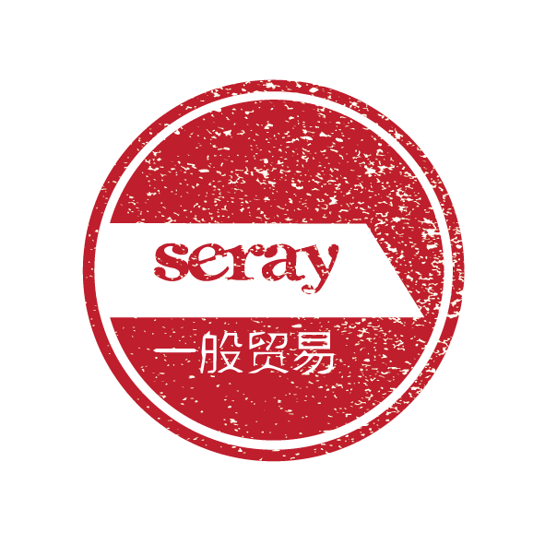
 |  |  | Subtotal | AED 95,000.00

TOTAL |  |  |  | AED 95,000.00

THANK YOU FOR YOUR BUSINESS!

